Data
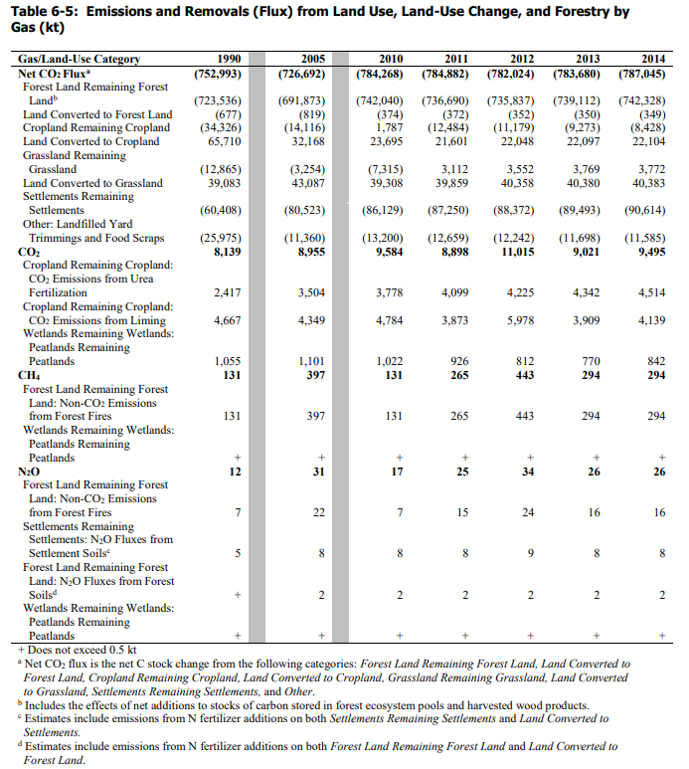
Excerpt from Table 6-3:
Unit: kt
 | 2010 | 2011 | 2012 | 2013 | 2014
CO2 | -784268 | -784268 | -782024 | -783680 | -787045
CH4 | 131 | 265 | 443 | 294 | 294
N2O | 17 | 25 | 34 | 26 | 26

CH4/CO2 Ratio | -1.67E-04 | -3.38E-04 | -5.66E-04 | -3.75E-04 | -3.74E-04
N2O/CO2 Ratio | -2.17E-05 | -3.19E-05 | -4.35E-05 | -3.32E-05 | -3.30E-05

